Pinout
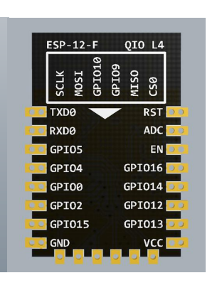
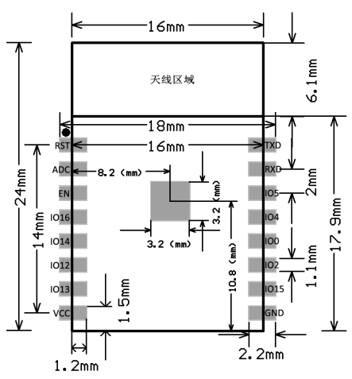
No. | Pin Name | Functional Description
1 | RST | Reset Pin, Active Low
2 | ADC | AD conversion, Input voltage range 0~1V, the value range is 0~1024.
3 | EN | Chip Enabled Pin, Active High
4 | IO16 | Connect with RST pin to wake up Deep Sleep
5 | IO14 | GPIO14; HSPI_CLK
6 | IO12 | GPIO12; HSPI_MISO
7 | IO13 | GPIO13; HSPI_MOSI; UART0_CTS
8 | VCC | Module power supply pin, Voltage 3.0V ~ 3.6V
9 | GND | GND
10 | IO15 | GPIO15; MTDO; HSPICS; UART0_RTS
11 | IO2 | GPIO2; UART1_TXD
12 | IO0 | GPIO0;HSPI_MISO;I2SI_DATA
13 | IO4 | GPIO4
14 | IO5 | GPIO5;IR_R
15 | RXD | UART0_RXD; GPIO3
16 | TXD | UART0_TXD; GPIO1

